Sample Label
Sample Label
Fictitious Medical Device Label
(“Not all fields in GUDID are required to be on the label. This example is for illustrative purpose only”)

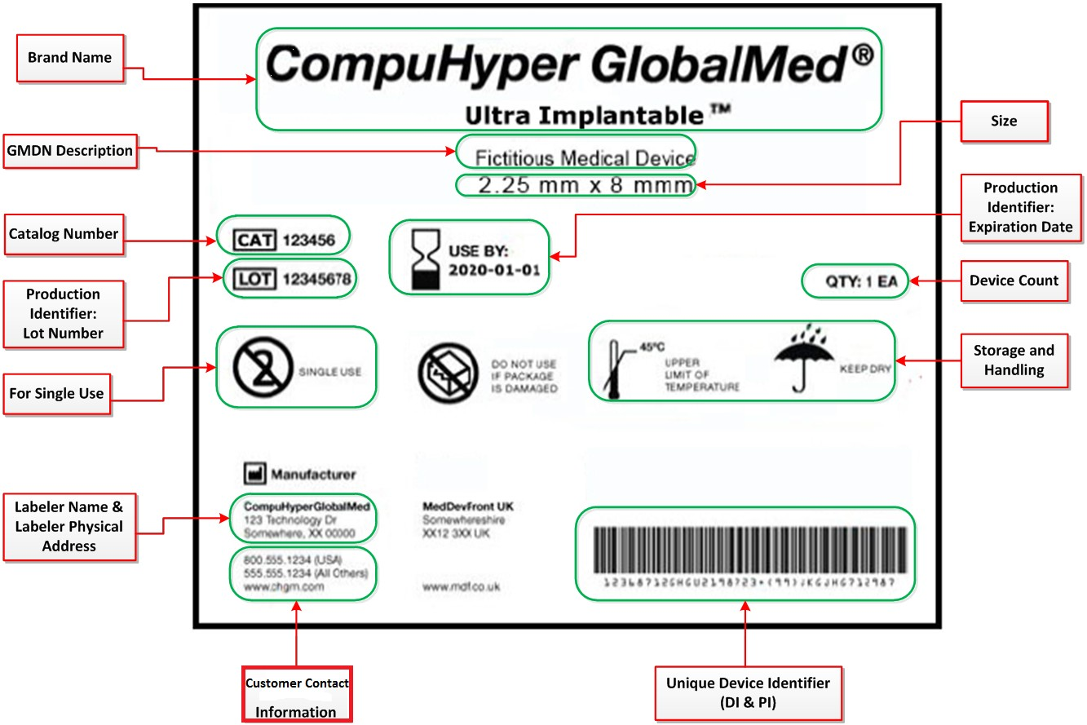

Figure 1: Fictitious Medical Device label

