Instructions
Instructions: Using This Template to Submit a Large Number of FEI-Product Code Combinations
This spreadsheet template provides a method for manufacturers of certain medical devices to submit 506J notifications to notify the FDA of an interruption or permanent discontinuance in manufacturing during or in advance of a public health emergency. Manufacturers should submit 506J notifications in the method that is most convenient. This spreadsheet is updated to include new information from Establishment Registration and Device Listings.
Steps for Completing and Submitting This Spreadsheet:
1. Complete the Submitter Contact Info sheet (tab) as shown in Figure 1.
2. If you have devices for which there are interruptions or discontinuances, complete the Interruptions-Discontinuances sheet (tab) as shown in Figure 1.
3. When you have completed the spreadsheet, save it on your computer and click here to navigate to the web form to attach the spreadsheet and upload it.
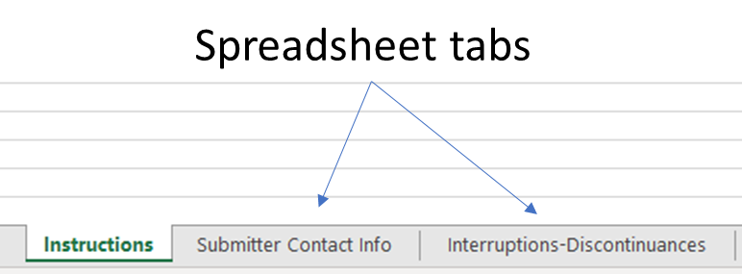 Figure 1: How to access the sheets (tabs) to provide the notification information.
For more details and information how to contact the FDA, see:
Contact the FDA About a Medical Device Supply Chain Issue
Notify the FDA About a Medical Device Supply Chain Issue
If your question is not answered by the FAQ, contact the Agency at
CDRHManufacturerShortage@fda.hhs.gov
and include “Question” in the subject line of the email.

General tips
-If you would like to submit additional information or documents related to this notification, use the option to add attachments to the online form.
-Enter notification information about medical devices for each primary product code-FEI combination on a new row on the template.
-The first row of the tables in each sheet is an example notification dataset. Start your data entry on cell A5 of the corresponding sheet.
-Each cell in the data sheets (tabs) has helpful pop-up text which appears when you navigate to the cell. If the pop-up text obstructs data entry, you can move it out of the way.
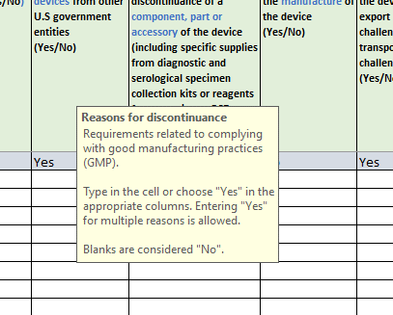 Figure 2: Move the pop-up text out of the way if it obstructs data entry.
-Asterisks (*) in the spreadsheet table headers indicate information necessary for completeness.
-Cells that are required will be highlighted orange once the submitter begins entering information in a particular row.

